Instructions
 |  |  |  | TOASTMASTERS INTERNATIONAL
 |  |  |  | ANNUAL BUDGET | District | 69
 |  |  |  | 2026-2027

 | Welcome to your 2026-2027 Annual Budget template!

 | In this section we will be providing some additional information and direction regarding your budgeting process. Including the use of this template.

Background:
 | All Districts funds, regardless of the source of those funds, are Toastmasters International funds. This money is entrusted to the District so it can carry out its mission and achieve the major goals of the organization.
 | The budget should focus on directing financial resources toward achieving the District mission: we build new clubs and support all clubs in achieving excellence.
 | Funds are to be used by Districts in ways which benefit the clubs and members of Toastmasters International within the District specifically, to promote educational growth, increase membership in clubs, and establish new clubs.
 | Your budget should match the use of funds against the goals set in your District success plan. By translating the District success plan into dollars, you can evaluate the worth of what you intend to do. The more important the goal, the more support it should receive when developing a budget. If a District’s budget does not reflect the major goals of Toastmasters International or meet the budget standards established by Toastmasters International, then the District may be asked to resubmit its budget.

Timeline:
 | July/August:
 | → | As a team, complete the Annual Budget Template. The District Director, Program Quality Director, Club Growth Director and Finance Manager should work together to complete the budget.
 | August/Early September:
 | → | Send a finalized draft of the budget (this includes completed Narratives) to the District Finance Team for their review. If any exceptions are being requested, this is also the time to send those requests to the District Finance team.
 | → | Review and make any necessary adjustments requested by the District Finance Team until they say that the budget template is approved by District Finance.
 | → | After the template is approved by District Finance, send the budget template to the District Council members for their review at least two weeks prior to the District Council meeting.
 | September:
 | → | Host the District Council Meeting by September 30
 | → | Vote on the District Budget
 | → | Submit the District Council approved District budget template and signed budget summary page to the District Finance Team at World Headquarters. The District Director, Program Quality Director, Club Growth Director and Finance Manager need to sign the budget summary page.
 |  | − | For the signed summary page we accept physical signatures or electronic signatures from applications like DocuSign and Adobe Sign.
 |  | − | You can print or save your summary page as a PDF by going to the summary tab and selecting 'File' and 'Print'

Budget Summary Tab:
 | This page summarizes the amounts put on each tab and makes the overall net income/loss, percent maximum, and percent minimum calculations to ensure you are staying within the budgeting standards set in the Toastmasters International Governing Documents. There are a few reminders to help you along. The first step will be to select your District number at the top of the Sumary tab.
 | → | Protocol 8.4, Section 4C: A budgeted loss, whereby budgeted expenses exceed budgeted revenues, is not permitted.
 |  | − | To assist with this, the net income/loss amount will be highlighted red if your budget is reporting a loss, as shown below.

 | → | Most budget categories are assigned a percent maximum and only one category is assigned a percent minimum. These percentages are based on your projected membership revenue amount for the year. You can find more information on this in Protocol 8.4, Section 5G. They are also mapped out on the summary page here.
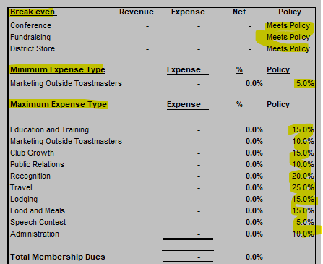

 |  | − | When any categories are out of compliance you will see these error messages. Once the categories related to the errors are addressed, the error messages should disappear.
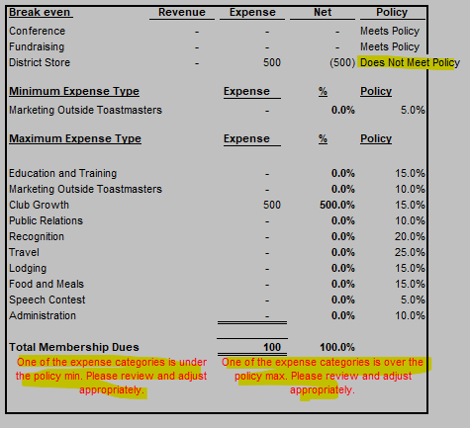

Narratives Tab:
 | This page summarizes the narratives provided from each budget tab, so this sheet has been fully locked. If edits need to be made to an individual narrative portion, please make the edit on the respective budget tab.

Membership Dues Allocation Tab:
 | The projected membership revenue will be provided by District Finance in mid/late July. The document provided will also include the monthly TI Allocation amount.

TI Allocation Tab:
 | This monthly TI Allocation amount will be provided by District Finance in mid/late July. It will be in the document with the projected membership revenue.

All Budget Category Tabs:
 | → | Budget Amounts
 |  | − | Each budget category tab will begin with the entry of amounts for each month. Please select the most relevant account label for the expenses you are entering. There are common account labels pre-populated on each tab, but a list of account labels can also be found on the Chart of Accounts tab of the budget.
 |  | − | If none of the pre-populated account labels make sense for the expense you are budgeting, you can use the dropdown menu on the blank account label cells to add a different one.

 | → | Narratives
 |  | − | At the bottom of each budget tab there will be a narratives section to explain more about the District's specific plans for the related category. The narratives on each budget tab will also pull to the Narratives Tab so they can also be read or reviewed all together.
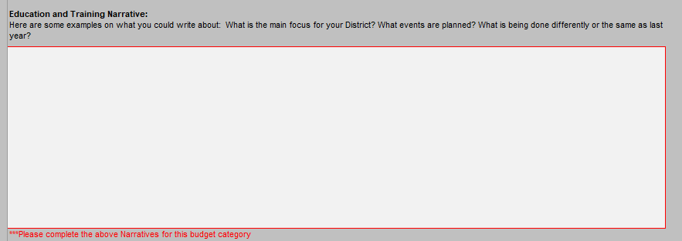

 | → | Helpful Notes
 |  | − | At the bottom of each budget tab there will be a helpful notes section to providing notes and reminders that are related to each specific tab.

 | → | Related Policies and Protocols
 |  | − | At the bottom of each budget tab there will be a Policy and Protocol section calling out relevant policies and protocols that should be considered while budgeting and while operating during the year related to each specific tab.

Chart of Accounts, Upload Sheet Pull, and Upload Template tabs:
 | You should not be able to delete these tabs, but if you somehow have the opportunity, please do not delete or remove these tabs. These are for internal use for the District Finance Team to upload the budget into the District Accounting System

If you have any questions or concerns, please reach out to the District Finance Team districtquestions@toastmasters.org or districtreports@toastmasters.org. Happy Budgeting!

